hw3
Домашнее задание
PBR
В этой самостоятельной работе мы ожидаем, что вы самостоятельно:
1. настроить статические маршруты так, чтобы маршрутизаторы R1;R5;R9;R13 стали доступны между собой
2. на маршрутизаторе R19 необходимо настроить политику маршрутизации так, чтобы пакет до R13 ходили через R18-R20
3. на маршрутизаторе R19 необходимо настроить политику маршрутизации так, чтобы пакет до R5 ходили через R18-R17

4* разобраться в технологии IP sla и настроить политику маршрутизации на основе мониторинга каналов. (При отключении линка R19-R18, маршруты должны пойти между R19-R20 и R19-R17)
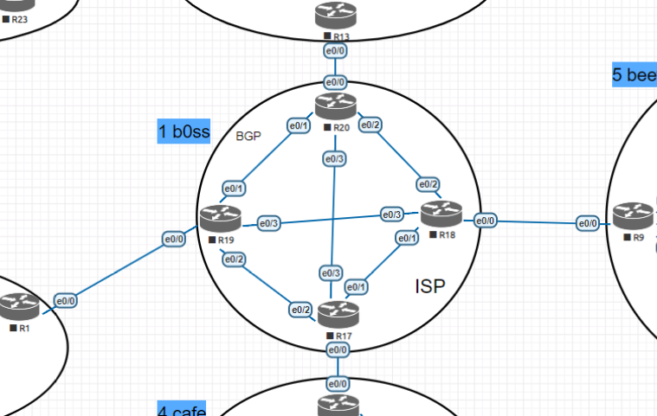
1. Настройки статической маршрутизации

!!!R1
ip default-gateway 172.17.119.19
ip route 0.0.0.0 0.0.0.0 172.17.119.19
ipv6 route ::/0 2019:feed:0:119::19

!!!R5,
ip default-gateway 172.17.175.17
ip route 0.0.0.0 0.0.0.0 172.17.175.17
ipv6 route ::/0 2019:feed:0:175::17

!!!R9,
ip default-gateway 172.17.189.18
ip route 0.0.0.0 0.0.0.0 172.17.189.18
ipv6 route ::/0 2019:feed:0:189::18

!!!R13
ip default-gateway 172.17.130.20
ip route 0.0.0.0 0.0.0.0 172.17.130.20
ipv6 route ::/0 2019:feed:0:1320::20

-----------
!!!R17
ip route 172.17.119.0 255.255.255.0 10.1.179.19 name r17->r19->R1
ipv6 route 2019:feed:0:119::/64 2019:b055:0:1719::19 name ->r19->R1

ip route 172.17.189.0 255.255.255.0 10.1.178.18 name r17->r18->R9
ipv6 route 2019:feed:0:189::/64 2019:b055:0:1718::18 name ->r18->R9

ip route 172.17.130.0 255.255.255.0 10.1.170.20 name r17->r20->R13
ipv6 route 2019:feed:0:1320::/64 2019:b055:0:1720::20 name r17->r20->R13

!!!R18
ip route 172.17.119.0 255.255.255.0 10.1.189.19 name r18->r19->R1
ipv6 route 2019:feed:0:119::/64 2019:b055:0:1819::19 name ->r19->R1

ip route 172.17.175.0 255.255.255.0 10.1.178.17 name r18->r17->R5
ipv6 route 2019:feed:0:175::/64 2019:b055:0:1718::17 name ->r17->R5

ip route 172.17.130.0 255.255.255.0 10.1.180.20 name r18->r20->R13
ipv6 route 2019:feed:0:1320::/64 2019:b055:0:1820::20 name ->r20->R13

!!!R19
ip route 172.17.175.0 255.255.255.0 10.1.179.17 name r19->r17->R5
ipv6 route 2019:feed:0:175::/64 2019:b055:0:1719::17 name ->r17->R5

ip route 172.17.189.0 255.255.255.0 10.1.189.18 name r19->r18->R9
ipv6 route 2019:feed:0:189::/64 2019:b055:0:1819::18 name r19->r18->R9

ip route 172.17.130.0 255.255.255.0 10.1.190.20 name r19->r20->R13src
ipv6 route 2019:feed:0:1320::/64 2019:b055:0:1920::20 name r19->r20->R13

!!!R20
ip route 172.17.175.0 255.255.255.0 10.1.170.17 name r20->r17->R5
ipv6 route 2019:feed:0:175::/64 2019:b055:0:1720::17 name ->r17->R5

ip route 172.17.189.0 255.255.255.0 10.1.180.18 name r20->r18->R9
ipv6 route 2019:feed:0:189::/64 2019:b055:0:1820::18 name ->r18->R9

ip route 172.17.119.0 255.255.255.0 10.1.190.19 name r20->r19->R1
ipv6 route 2019:feed:0:119::/64 2019:b055:0:1920::19 name ->r19->R1

2,3. Настройки PBR (вариант без SLA)

-----------
!!! R19

!ACL
ip access-list extended acl_R1_to_R13
remark allow traffic from R1 to R13
permit ip 172.17.119.0 0.0.0.255 172.17.130.0 0.0.0.255

ipv6 access-list acl6_R1_to_R13
remark allow traffic from R1 to R13
permit ip 2019:feed:0:119::/64 2019:feed:0:1320::/64

ip access-list extended acl_R1_to_R5
remark allow traffic from R1 to R5
permit ip 172.17.119.0 0.0.0.255 172.17.175.0 0.0.0.255

ipv6 access-list acl6_R1_to_R5
remark allow ip6 traffic from R1 to R5
permit ip 2019:feed:0:119::/64 2019:feed:0:175::/64

! Route-map ipv4

route-map R19 permit 10
description traffic R1->R13 through R18
match ip address acl_R1_to_R13
set ip next-hop 10.1.189.18

route-map R19 permit 20
description traffic R1->R5 through R18
match ip address acl_R1_to_R5
set ip next-hop 10.1.189.18

! Route-map ipv6

route-map R19_v6 permit 15
description ip6 traffic R1->R13 through R18
match ipv6 address acl6_R1_to_R13
set ipv6 next-hop 2019:b055:0:1819::18

route-map R19_v6 permit 25
description ip6 traffic R1->R5 through R18
match ipv6 address acl6_R1_to_R5
set ipv6 next-hop 2019:b055:0:1819::18

int e0/0
ip policy route-map R19
ipv6 policy route-map R19_v6

4. Настройка IP SLA
а. Создаем маршруты до R5, R13 через R18 с меньшей метрикой и треком R18
б. Создаем PBR для icmp, чтобы трек работал через R18

При отключении R18:
-sla = down
-track = down
-маршрут main = неактивен

!!! R19

!ACL
!Отключить предыдущие настройки
int e0/0
 | no ip policy route-map R19
 | no ipv6 policy route-map R19_v6

!v4
ip access-list extended acl_R19_to_R18_icmp
 | remark allow icmp from R19 to R18
 | permit icmp host 10.1.189.19 host 10.1.189.18

!v6
ipv6 access-list acl6_R19_to_R18
 | remark allow icmp from R19 to R18
 | permit ipv6 host 2019:b055:0:1819::19 host 2019:b055:0:1819::18

!Track ipv4
ip sla 18
 | icmp-echo 10.1.189.18 source-interface e0/3
 | threshold 1000
 | timeout 1500
 | frequency 3

ip sla schedule 18 life forever start-time now

track 18 ip sla 18 reachability
 | delay down 10 up 5

!Track ipv6
ip sla 186
 | icmp-echo 2019:b055:0:1819::18 source-interface e0/3
 | threshold 1000
 | timeout 1500
 | frequency 3

ip sla schedule 186 life forever start-time now

track 186 ip sla 186 reachability
 | delay down 10 up 5

!Route-map

route-map R19_PBR_SLA permit 10
 | match ip address acl_R19_to_R18_icmp
 | set ip next-hop 10.1.189.18

route-map R19_PBR_SLA permit 20
 | match ipv6 address acl6_R19_to_R18
 | set ipv6 next-hop 2019:b055:0:1819::18

ip local policy route-map R19_PBR_SLA

!Маршруты с меньшей дистанцией

!IPv4
ip route 172.17.130.0 255.255.255.0 10.1.189.18 10 track 18 name r19->r20->R13_main
ip route 172.17.130.0 255.255.255.0 10.1.190.20 50 name r19->r20->R13

ip route 172.17.175.0 255.255.255.0 10.1.189.18 10 track 18 name r19->r17->R5_main
ip route 172.17.175.0 255.255.255.0 10.1.179.17 50 name r19->r17->R5

!IPv6
ipv6 route 2019:feed:0:1320::/64 2019:b055:0:1819::18 10 name r19->r18->R13 track 186
ipv6 route 2019:feed:0:1320::/64 2019:b055:0:1920::20 50 name r19->r20->R13

ipv6 route 2019:feed:0:175::/64 2019:b055:0:1819::18 10 name ->r17->R5_main track 186
ipv6 route 2019:feed:0:175::/64 2019:b055:0:1719::17 50 name ->r17->R5

hw5
Домашнее задание
GRE
В этой самостоятельной работе мы ожидаем, что вы самостоятельно:
1. Настроите DMVPN между пограничными маршрутизаторами(R1;R5;R13). Центром должен стать R1
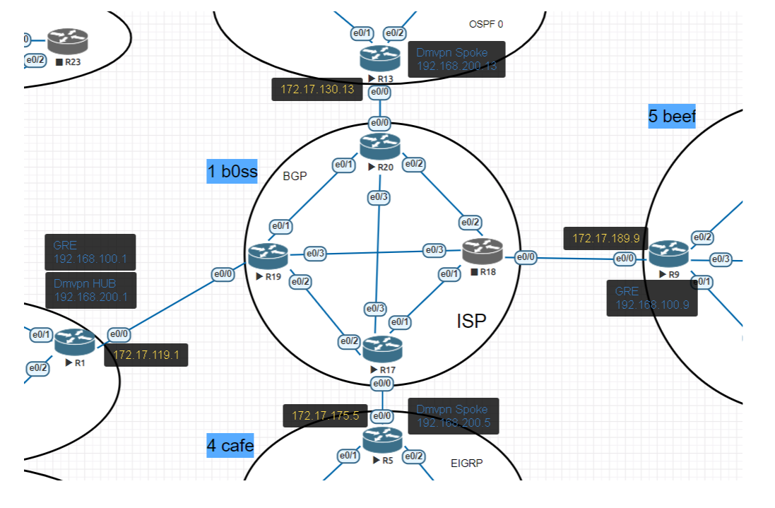
2. Настроите GRE между R1 и R9
3. Добавить статические маршруты между офисами через VPN
4. В документацию добавлены новые адреса VPN.

IPv4

!!! GRE туннель R1-R9

!R1
interface tunnel 19
 | tunnel source e0/0
 | tunnel destination 172.17.189.9
 | ip address 192.100.19.1 255.255.255.0

!R9
interface tunnel 19
 | tunnel source e0/0
 | tunnel destination 172.17.119.1
 | ip address 192.100.19.9 255.255.255.0

!!! DMVPN туннель R1=R5,R13

!R1
interface tunnel 200
 | description DMVPN_HUB
 | ip address 192.200.0.1 255.255.255.0
 | no ip redirects
 | ip nhrp map multicast dynamic
 | ip nhrp network-id 1
 | tunnel source 172.17.119.1 !Ethernet0/0
 | tunnel mode gre multipoint

!R5
interface tunnel 200
 | ip address 192.200.0.5 255.255.255.0
 | no ip redirects
 | ip nhrp map 192.200.0.1 172.17.119.1
 | ip nhrp map multicast 172.17.119.1
 | ip nhrp network-id 1
 | tunnel source Ethernet0/0
 | tunnel mode gre multipoint
 | ip nhrp nhs 192.200.0.1

!R13
interface tunnel 200
 | ip address 192.200.0.13 255.255.255.0
 | no ip redirects
 | ip nhrp map 192.200.0.1 172.17.119.1
 | ip nhrp map multicast 172.17.119.1
 | ip nhrp network-id 13
 | tunnel source Ethernet0/0
 | tunnel mode gre multipoint
 | ip nhrp nhs 192.200.0.1

!!! маршруты до офисов
!R1
ip route 10.4.0.0 255.255.0.0 192.200.0.5 name r1->R5,6,7
ip route 10.5.0.0 255.255.0.0 192.100.19.9 name r1->R9,10,11,12
ip route 10.2.0.0 255.255.0.0 192.200.0.13 name r1->R13,15,16

!R5
ip route 10.32.0.0 255.252.0.0 192.200.0.1 name r5->R1,2,3,4_R3,8,14_R22,23,24_R2,24
ip route 10.5.0.0 255.255.0.0 192.200.0.1 name r5->R9,10,11,12
ip route 10.2.0.0 255.255.0.0 192.200.0.13 name r5->R13,15,16
ip route 192.100.19.0 255.255.255.0 192.200.0.1 name r5->GRE_R1-R9

!R9
ip route 10.32.0.0 255.252.0.0 192.100.19.1 name r9->R1,2,3,4_R3,8,14_R22,23,24_R2,24
ip route 10.4.0.0 255.255.0.0 192.100.19.1 name r9->R5,6,7
ip route 10.2.0.0 255.255.0.0 192.100.19.1 name r9->R13,15,16
ip route 192.200.0.0 255.255.255.0 192.100.19.1 name r9->DMVPN_R1-R5,13

!R13
ip route 10.32.0.0 255.252.0.0 192.200.0.1 name r13->R1,2,3,4_R3,8,14_R22,23,24_R2,24
ip route 10.4.0.0 255.255.0.0 192.200.0.5 name r13->R5,6,7
ip route 10.5.0.0 255.255.0.0 192.200.0.1 name r13->R9,10,11,12
ip route 192.100.19.0 255.255.255.0 192.200.0.1 name r13->GRE_R1-R9

IPv6
!R1
interface tunnel 19
no ipv6 address 2019:c0de:100:19::1/64

interface tunnel 196
 | tunnel source e0/0
 | tunnel destination 2019:feed:0:189::9
 | ipv6 address 2019:c0de:100:19::1/64
tunnel mode gre ipv6

!R9
interface tunnel 19
no ipv6 address 2019:c0de:100:19::9/64

interface tunnel 196
 | tunnel source e0/0
 | tunnel destination 2019:feed:0:119::1
ipv6 address 2019:c0de:100:19::9/64
tunnel mode gre ipv6

!!! DMVPN туннель ipv6 R1=R5,R13

!R1
interface tunnel 200
no ipv6 address 2019:c0de:200::1/64

interface tunnel 206
 | description DMVPN_HUB
 | ipv6 address 2019:c0de:200::1/64
 | no ip redirects
 | ipv6 nhrp map multicast dynamic
 | ipv6 nhrp network-id 6
 | tunnel source 2019:feed:0:119::1 !Ethernet0/0
 | tunnel mode gre multipoint ipv6

!R5
interface tunnel 200
no ipv6 address 2019:c0de:200::5/64

interface tunnel 206
 | description DMVPN_SPOKE
 | ipv6 address 2019:c0de:200::5/64
 | no ip redirects
 | ipv6 nhrp map 2019:c0de:200::1/64 2019:feed:0:119::1
 | ipv6 nhrp map multicast 2019:feed:0:119::1
 | ipv6 nhrp network-id 6
 | tunnel source 2019:feed:0:175::5 !Ethernet0/0
 | tunnel mode gre multipoint ipv6
 | ipv6 nhrp nhs 2019:c0de:200::1

!R13
interface tunnel 206
 | description DMVPN_SPOKE
 | ipv6 address 2019:c0de:200::13/64
 | no ip redirects
 | ipv6 nhrp map 2019:c0de:200::1/64 2019:feed:0:119::1
 | ipv6 nhrp map multicast 2019:feed:0:119::1
 | ipv6 nhrp network-id 6
 | tunnel source 2019:feed:0:1320::13 !Ethernet0/0
 | tunnel mode gre multipoint ipv6
 | ipv6 nhrp nhs 2019:c0de:200::1

!!! ipv6 маршруты до офисов
!R1
ipv6 route 2019:cafe::/32 2019:c0de:200::5 name r1->R5,6,7
ipv6 route 2019:beef::/32 2019:c0de:100:19::9 name r1->R9,10,11,12
ipv6 route 2019:abba::/32 2019:c0de:200::13 name r1->R13,15,16

!R5
ipv6 route 2019:f1fa::/32 2019:c0de:200::1 name r5->R1,2,3,4_R3,8,14_R22,23,24_R2,24
ipv6 route 2019:beef::/32 2019:c0de:200::1 name r5->R9,10,11,12
ipv6 route 2019:abba::/32 2019:c0de:200::13 name r5->R13,15,16
ipv6 route 2019:c0de:100:19::/64 2019:c0de:200::1 name r5->GRE_R1-R9

!R9
ipv6 route 2019:f1fa::/32 2019:c0de:100:19::1 name r9->R1,2,3,4_R3,8,14_R22,23,24_R2,24
ipv6 route 2019:cafe::/32 2019:c0de:100:19::1 name r9->R5,6,7
ipv6 route 2019:abba::/32 2019:c0de:100:19::1 name r9->R13,15,16
ipv6 route 2019:c0de:200::/64 2019:c0de:100:19::1 name r9->DMVPN_R1-R5,13

!R13
ipv6 route 2019:f1fa::/32 2019:c0de:200::1 name r13->R1,2,3,4_R3,8,14_R22,23,24_R2,24
ipv6 route 2019:cafe::/32 2019:c0de:200::5 name r13->R5,6,7
ipv6 route 2019:beef::/32 2019:c0de:200::1 name r13->R9,10,11,12
ipv6 route 2019:c0de:100:19::/64 2019:c0de:200::1 name r13->GRE_R1-R9

!проверка
ping 2019:f1fa:34:12::1
ping 2019:cafe:0:56::5
ping 2019:beef:0:910::9
ping 2019:abba:0:1315::13

hw6
Домашнее задание
Основные концепции OSPF
В этой самостоятельной работе мы ожидаем, что вы самостоятельно:
1. Настроите однозонный OSPF в офисе Трям-пам.
2. Настроите OSPF в офисе Трым-пым в зоне 0(как указано в лабораторной работе)
3. Оптимизируете таймеры в OSPF так, чтобы скорость обнаружения неполадок в сети была минимальной.
4. Задокументируете все изменения произведенные в лабораторном стенде
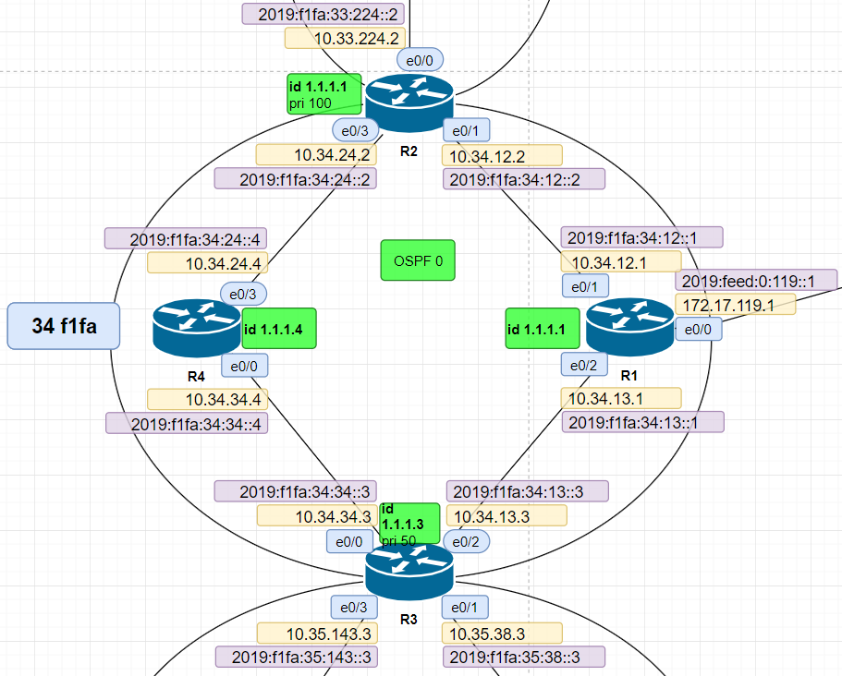
!!! Трям-пам R13,15,16

!R13
router ospf 10
router-id 1.1.1.13
priority 100
auto-cost reference-bandwidth 1000
passive-interface default
no passive-interface Ethernet0/1
no passive-interface Ethernet0/2

no network 10.0.0.0 0.255.255.255 area 0
no network 172.0.0.0 0.255.255.255 area 0
network 172.31.127.13 0.0.0.0 area 0
network 10.2.136.13 0.0.0.0 area 0
network 10.2.135.13 0.0.0.0 area 0

interface Ethernet0/1
ip ospf dead-interval 6
ip ospf hello-interval 2
!
interface Ethernet0/2
ip ospf dead-interval 6
ip ospf hello-interval 2

!R15
router ospf 10
router-id 1.1.1.15
auto-cost reference-bandwidth 1000
passive-interface default
no passive-interface Ethernet0/0
no passive-interface Ethernet0/2

no network 10.0.0.0 0.255.255.255 area 0
no network 172.0.0.0 0.255.255.255 area 0

network 172.31.127.15 0.0.0.0 area 0
network 10.2.156.15 0.0.0.0 area 0
network 10.2.135.15 0.0.0.0 area 0

interface Ethernet0/0
ip ospf dead-interval 6
ip ospf hello-interval 2
!
interface Ethernet0/2
ip ospf dead-interval 6
ip ospf hello-interval 2

!R16
router ospf 10
router-id 1.1.1.16
auto-cost reference-bandwidth 1000
passive-interface default
no passive-interface Ethernet0/0
no passive-interface Ethernet0/1

no network 10.0.0.0 0.255.255.255 area 0
no network 172.0.0.0 0.255.255.255 area 0
no network 192.0.0.0 0.255.255.255 area 0

network 172.31.127.16 0.0.0.0 area 0
network 10.2.156.16 0.0.0.0 area 0
network 10.2.136.16 0.0.0.0 area 0
network 192.168.1.2 0.0.0.0 area 0

interface Ethernet0/0
ip ospf dead-interval 6
ip ospf hello-interval 2
!
interface Ethernet0/1
ip ospf dead-interval 6
ip ospf hello-interval 2

!!! Трям-пам R1,2,3,4

!R1
router ospf 10
router-id 1.1.1.1
auto-cost reference-bandwidth 1000
passive-interface default
no passive-interface Ethernet0/1
no passive-interface Ethernet0/2

no network 10.0.0.0 0.255.255.255 area 0
no network 172.0.0.0 0.255.255.255 area 0

network 172.31.127.1 0.0.0.0 area 0
network 10.34.12.1 0.0.0.0 area 0
network 10.34.13.1 0.0.0.0 area 0

interface Ethernet0/1
ip ospf dead-interval 6
ip ospf hello-interval 2
!
interface Ethernet0/2
ip ospf dead-interval 6
ip ospf hello-interval 2

!R2
router ospf 10
router-id 1.1.1.2
priority 100
auto-cost reference-bandwidth 1000
passive-interface default
no passive-interface Ethernet0/1
no passive-interface Ethernet0/3

no network 10.0.0.0 0.255.255.255 area 0
no network 172.0.0.0 0.255.255.255 area 0

network 172.31.127.2 0.0.0.0 area 0
network 10.33.224.2 0.0.0.0 area 10
network 10.34.12.2 0.0.0.0 area 0
network 10.34.24.2 0.0.0.0 area 0

interface Ethernet0/1
ip ospf dead-interval 6
ip ospf hello-interval 2
!
interface Ethernet0/3
ip ospf dead-interval 6
ip ospf hello-interval 2

!R3
router ospf 10
router-id 1.1.1.3
priority 50
auto-cost reference-bandwidth 1000
passive-interface default
no passive-interface Ethernet0/0
no passive-interface Ethernet0/2

network 10.0.0.0 0.255.255.255 area 0
network 172.0.0.0 0.255.255.255 area 0

network 172.31.127.30.0.0.0 area 0
network 10.34.34.3 0.0.0.0 area 0
network 10.35.38.3 0.0.0.0 area 42
network 10.34.13.3 0.0.0.0 area 0
network 10.35.143.3 0.0.0.0 area 42

interface Ethernet0/0
ip ospf dead-interval 6
ip ospf hello-interval 2
!
interface Ethernet0/2
ip ospf dead-interval 6
ip ospf hello-interval 2

!R4
router ospf 10
router-id 1.1.1.4
auto-cost reference-bandwidth 1000
passive-interface default
no passive-interface Ethernet0/0
no passive-interface Ethernet0/3

no network 10.0.0.0 0.255.255.255 area 0
no network 172.0.0.0 0.255.255.255 area 0

network 172.31.127.4 0.0.0.0 area 0
network 10.34.34.4 0.0.0.0 area 0
network 10.34.24.4 0.0.0.0 area 0

interface Ethernet0/0
ip ospf dead-interval 6
ip ospf hello-interval 2
!
interface Ethernet0/3
ip ospf dead-interval 6
ip ospf hello-interval 2

hw7
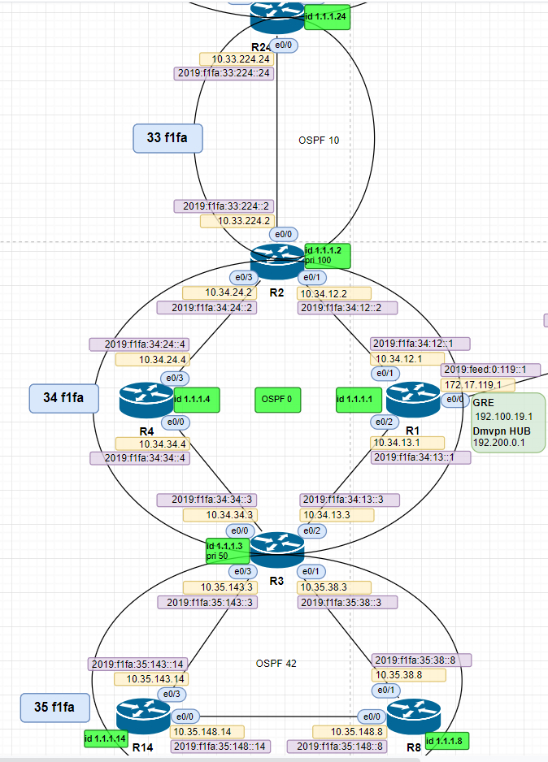
Домашнее задание
Многозонный OSPF
В этой самостоятельной работе мы ожидаем, что вы самостоятельно:
1. Настроите OSPF в офисе Трым-пым с зонами 0, 10, 42(как указано в лабораторной работе)
2. Изменить метрику маршрута в офисе Трым-пым так, чтобы трафик от R14 до R1 пошел через R8.
4. Настроите метрику на R4 так, чтобы трафик до R1 один балансировался через R2 и R3.
3. Задокументируете все изменения произведенные в лабораторном стенде

!!! Трям-пам R1,2,3,4

!R3
router ospf 10
router-id 1.1.1.3
priority 50
auto-cost reference-bandwidth 1000
passive-interface default
no passive-interface Ethernet0/0
no passive-interface Ethernet0/1
no passive-interface Ethernet0/2
no passive-interface Ethernet0/3

network 172.31.127.30.0.0.0 area 0
network 10.34.34.3 0.0.0.0 area 0
network 10.35.38.3 0.0.0.0 area 42
network 10.34.13.3 0.0.0.0 area 0
network 10.35.143.3 0.0.0.0 area 42

interface Ethernet0/0
ip ospf dead-interval 6
ip ospf hello-interval 2
!
interface Ethernet0/2
ip ospf dead-interval 6
ip ospf hello-interval 2

interface Ethernet0/1
ip ospf dead-interval 6
ip ospf hello-interval 2
!
interface Ethernet0/3
ip ospf cost 250
ip ospf dead-interval 6
ip ospf hello-interval 2

!R8
router ospf 10
router-id 1.1.1.8
auto-cost reference-bandwidth 1000
passive-interface default
no passive-interface Ethernet0/0
no passive-interface Ethernet0/1

network 172.31.127.8 0.0.0.0 area 42
network 10.35.148.8 0.0.0.0 area 42
network 10.35.38.8 0.0.0.0 area 42

interface Ethernet0/0
ip ospf dead-interval 6
ip ospf hello-interval 2
!
interface Ethernet0/1
ip ospf dead-interval 6
ip ospf hello-interval 2

!R14
router ospf 10
router-id 1.1.1.14
auto-cost reference-bandwidth 1000
passive-interface default
no passive-interface Ethernet0/0
no passive-interface Ethernet0/3

network 172.31.127.14 0.0.0.0 area 42
network 10.35.148.14 0.0.0.0 area 42
network 10.35.143.14 0.0.0.0 area 42

interface Ethernet0/0
ip ospf dead-interval 6
ip ospf hello-interval 2
!
interface Ethernet0/3
ip ospf cost 250
ip ospf dead-interval 6
ip ospf hello-interval 2

!!! OSPF 10
!R2
router ospf 10
router-id 1.1.1.2
priority 100
auto-cost reference-bandwidth 1000
passive-interface default
no passive-interface Ethernet0/1
no passive-interface Ethernet0/3
no passive-interface Ethernet0/0

network 172.31.127.2 0.0.0.0 area 0
network 10.33.224.2 0.0.0.0 area 10
network 10.34.12.2 0.0.0.0 area 0
network 10.34.24.2 0.0.0.0 area 0

interface Ethernet0/1
ip ospf dead-interval 6
ip ospf hello-interval 2
!
interface Ethernet0/3
ip ospf dead-interval 6
ip ospf hello-interval 2
!
interface Ethernet0/0
ip ospf dead-interval 6
ip ospf hello-interval 2

!R24
router ospf 10
router-id 1.1.1.24
auto-cost reference-bandwidth 1000
passive-interface default
no passive-interface Ethernet0/0

network 172.31.127.24 0.0.0.0 area 10
network 10.33.224.24 0.0.0.0 area 10

interface Ethernet0/0
ip ospf dead-interval 6
ip ospf hello-interval 2

